ASSIGNMENT
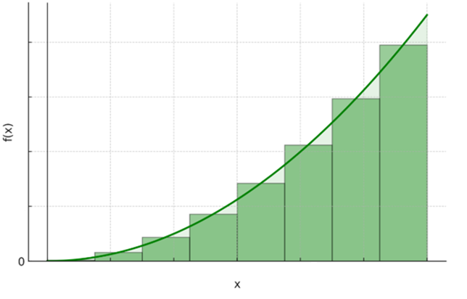
The goal of this assignment is to develop a stage-height volume curve for the storage pond in Muwaqqar. Below you can find the steps as listed in the manual:

1) The second sheet contains the raw data, including the water level measurements (Depth m column). From this data, create a pivot table showing daily average water levels
2) In the waterlevel-volume sheet copy your results from the csv file exported by the GEE script in the first two columns (date and area). Now in the water level column, paste the right water level measurements by looking them up and copying them from the pivot table that you just created
3) The next step is to create a scatter plot showing the water level data on the x-axis against the water area on the y-axis
4) From this point we can move on to calculate the volume at a certain water level. How would we do this? The illustration below might help to get the answer
5) For all measurements, calculate the change in volume between two consecutive water levels
6) After calculating the change in volume between consecutive water levels, calculate the total volume at each water level (this is the cumulative of the volume increments, so the total area under the curve)
7) What could be another way to estimate the volume at a certain water level?

waterlevel-volume
Stage Height - Volume curve
Date | Area km2 | Area m2 | Level m | Change in Volume | Volume (Riemann sum) | Volume (integral)
 | 0 | 0 | -0.2 | 0 | 0
2025-04-29 | 0.0013560428619 | 1356.04 | 0.43 | 427.74 | 427.74 | 521.29
2025-04-28 | 9.32E-04 | 932.28 | 0.45 | 16.65 | 444.40 | 546.47
2025-04-26 | 0.0011865371475 | 1186.54 | 0.47 | 29.29 | 473.69 | 595.60
2025-03-02 | 0.0027968380966 | 2796.84 | 0.54 | 130.40 | 604.09 | 718.71
2025-04-21 | 0.0022035692139 | 2203.57 | 0.54 | 7.90 | 611.99 | 724.89
2025-04-19 | 0.00237307444 | 2373.07 | 0.57 | 64.48 | 676.47 | 780.96
2025-04-18 | 0.0021188171539 | 2118.82 | 0.58 | 27.76 | 704.23 | 806.10
2025-02-28 | 0.0028815907135 | 2881.59 | 0.60 | 36.35 | 740.58 | 836.09
2025-04-04 | 0.0027120852356 | 2712.09 | 0.88 | 803.26 | 1543.84 | 1519.50
2025-02-18 | 0.0030510959473 | 3051.10 | 1.03 | 409.26 | 1953.10 | 1918.70
2025-02-15 | 0.0029663435745 | 2966.34 | 1.19 | 500.46 | 2453.56 | 2434.74
2025-03-15 | 0.0048308974533 | 4830.90 | 2.73 | 5993.02 | 8446.58 | 9198.94
2025-03-12 | 0.0056784257202 | 5678.43 | 3.22 | 2559.36 | 11005.94 | 11878.39
2025-03-10 | 0.0061021884003 | 6102.19 | 3.56 | 2046.96 | 13052.90 | 13879.42

$\int{ax^{n}ⅆx}$ = $\frac{a}{n+1}x^{n+1}$

$$\int{−298.55x^{2}+2508.6x−687.89}ⅆx=−99.52x^{3}+1254.3x^{2}−687.89x$$

